description_template
Use of the Drift-module:

Primary this module is designed to perform Parameteric Drift Analysis, but it may be also used
to calculate normal and non normal Ppk's, and detect fails.
It also allows to create standardized Drift Reports and graphs.

Macro security levels:
Normally macros are disabled because the default security level is high.
To be able to use this macro the security level has to be set to low or medium.
Use the security dialog box to set the security level (Tools menu, Macro submenu).
If the security level is changed, close and restart EXCEL to activate the new setting.

Run Module
For navigation use the command buttons embedded in sheet "start".
To start the statistical calculation click on the button on sheet "start".
or click on the Start button below.

A form will be opened.
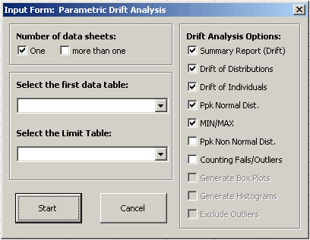

Choose whether you have one or more data sheets to analyze.
Select the first data sheet and limit sheet from the given combo box,
and choose the options for calculations.

The data source have to be a Excel table in the active workbook.

The data may be organized in the format as shown below:

One data column for each test (maximal 254 tests per sheet)
FACTOR LEVEL | DEVICE | TEST1 | TEST2 | TEST3 | …. | TEST254
1 | 1 | 100.2 | 5.02 | -3.5 | …. | 20.6
1 | 2 | 100.1 | 5.01 | -3.8 | …. | 21.5
2 | 1 | 105.2 | 4.98 | -3.6 |  | 22.2
2 | 2 | 105.5 | 4.99 | -3.7 | …. | 21.9
Any column name must be unique, do not have different columns with the same label!

In addition to the measurement values the data table need have the columns:
FACTOR LEVEL (needed) - measurement temperature, test duration, etc.
If there is no such a column the program will asked for.
If the program finds a column labeled "FACTOR LEVEL", "FACTOR", "TEMPERATURE",
"DURATION", "HOURS" or "CYCLES" then this column will be used automatically!
DEVICE (needed) - part number

Limit table:

A worksheet with the specification limits is needed!!
The macro will only run if there is such a sheet in the active workbook available.
That sheet needs have the columns: No, TEST, LSL, USL and UNIT

No | TEST | LSL | USL | UNIT
1 | Power supply VCC1 | 4.5 | 6 | V
2 | Input pullup current | -7 | -3 | mA
3 | Output leakage current | -1 | 1 | µA

No: Test Number
TEST: Test Name
LSL: Lower Specification Limit
USL: Upper Specification Limit

The entries in the "TEST" column must be unique!

Additional notes:

Any cells in the data sheet with values outside the spec limits will be colored red.

If a value in the "No" column in the limittable is italicized, that Test will be skipped.

No | TEST | LSL | USL | UNIT
1 | Power supply VCC1 | 4.5 | 6 | V
2 | Input pullup current | -7 | -3 | mA | -> this Test will be skipped
3 | Output leakage current | -10000 | 10000 | nA

Restrictions: | number of data sheets is limited to 10
 | the number of tests is limited to 2500
 | the number of factor levels is limited to 10

Tips:
1. It is highly recommended to clean up data tables, remove columns which are not really needed. This could avoid a lot of problems.
2. use "DEVICE" and ("FACTOR LEVEL" or "DURATION" or "TEMPERATURE") to label the device and factor level column, in this case the program does not ask for additional inputs
3. factor level labeling should be short and clearely, because it will be used for table header and graphs
4. use the graphical options to visualize data (Box-Plot, X-Y-Plot, multiple X-Y-Plot)

More information needed? Then contact Michael Wurzbacher.
send an mail to Michael Wurzbacher

